Sales data
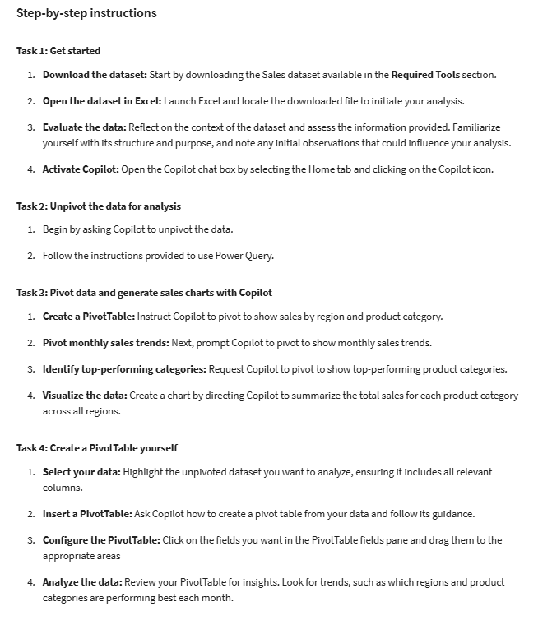
Region | Product Category | January | February | March | April | May | June | July | August | September | October | November | December
North | Action Figures | $1,200 | $1,300 | $1,400 | $1,500 | $1,600 | $1,700 | $1,800 | $1,900 | $2,000 | $2,100 | $2,200 | $2,300
North | Comic Books | $800 | $850 | $900 | $950 | $1,000 | $1,050 | $1,100 | $1,150 | $1,200 | $1,250 | $1,300 | $1,350
North | Board Games | $1,500 | $1,600 | $1,700 | $1,800 | $1,900 | $2,000 | $2,100 | $2,200 | $2,300 | $2,400 | $2,500 | $2,600
East | Action Figures | $1,800 | $1,900 | $2,000 | $2,100 | $2,200 | $2,300 | $2,400 | $2,500 | $2,600 | $2,700 | $2,800 | $2,900
East | Comic Books | $1,200 | $1,300 | $1,400 | $1,500 | $1,600 | $1,700 | $1,800 | $1,900 | $2,000 | $2,100 | $2,200 | $2,300
East | Board Games | $2,200 | $2,300 | $2,400 | $2,500 | $2,600 | $2,700 | $2,800 | $2,900 | $3,000 | $3,100 | $3,200 | $3,300
South | Action Figures | $1,500 | $1,600 | $1,700 | $1,800 | $1,900 | $2,000 | $2,100 | $2,200 | $2,300 | $2,400 | $2,500 | $2,600
South | Comic Books | $900 | $950 | $1,000 | $1,050 | $1,100 | $1,150 | $1,200 | $1,250 | $1,300 | $1,350 | $1,400 | $1,450
South | Board Games | $2,000 | $2,100 | $2,200 | $2,300 | $2,400 | $2,500 | $2,600 | $2,700 | $2,800 | $2,900 | $3,000 | $3,100
West | Action Figures | $2,200 | $2,300 | $2,400 | $2,500 | $2,600 | $2,700 | $2,800 | $2,900 | $3,000 | $3,100 | $3,200 | $3,300
West | Comic Books | $1,600 | $1,700 | $1,800 | $1,900 | $2,000 | $2,100 | $2,200 | $2,300 | $2,400 | $2,500 | $2,600 | $2,700
West | Board Games | $1,800 | $1,900 | $2,000 | $2,100 | $2,200 | $2,300 | $2,400 | $2,500 | $2,600 | $2,700 | $2,800 | $2,900

